Sheet1
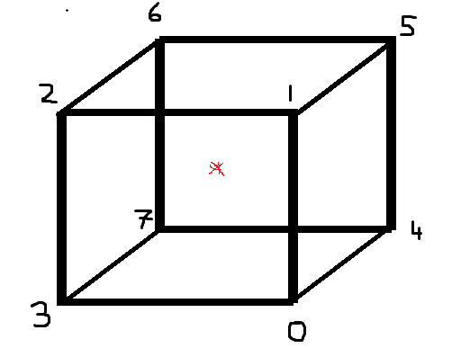
Vertex List
 | x | y | z
0 | 1 | -1 | 1
1 | 1 | 1 | 1
2 | -1 | 1 | 1
3 | -1 | -1 | 1
4 | 1 | -1 | -1
5 | 1 | 1 | -1
6 | -1 | 1 | -1
7 | -1 | -1 | -1

Face (Index) List |  |  |  | Texture Face (Index) List |  |  |  | Normals
Front | 0 | 1 | 2 | 6 | 10 | 9 | 0 | 0 | 1
 | 0 | 2 | 3 | 6 | 9 | 5 | 0 | 0 | 1
Back | 4 | 7 | 6 | 2 | 3 | 1 | 0 | 0 | -1
 | 4 | 6 | 5 | 2 | 1 | 0 | 0 | 0 | -1
Top | 1 | 5 | 6 | 10 | 13 | 12 | 0 | 1 | 0
 | 1 | 6 | 2 | 10 | 12 | 9 | 0 | 1 | 0
Bottom | 0 | 3 | 7 | 6 | 5 | 2 | 0 | -1 | 0
 | 0 | 7 | 4 | 6 | 2 | 3 | 0 | -1 | 0
Right | 0 | 4 | 5 | 6 | 7 | 11 | 1 | 0 | 0
 | 0 | 5 | 1 | 6 | 11 | 10 | 1 | 0 | 0
Left | 2 | 6 | 7 | 9 | 8 | 4 | -1 | 0 | 0
 | 2 | 7 | 3 | 9 | 4 | 5 | -1 | 0 | 0

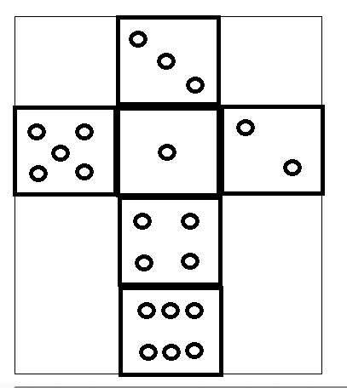
 |  |  |  |  |  |  |  |  | Texture Vertex List
 |  |  |  |  |  |  |  |  |  | u | v
 |  |  |  |  |  |  |  |  | 0 | 0.333 | 0
 |  |  |  |  |  |  |  |  | 1 | 0.667 | 0
 |  |  |  |  |  |  |  |  | 2 | 0.333 | 0.25
 |  |  |  |  |  |  |  |  | 3 | 0.667 | 0.25
 |  |  |  |  |  |  |  |  | 4 | 0 | 0.5
 |  |  |  |  |  |  |  |  | 5 | 0.333 | 0.5
 |  |  |  |  |  |  |  |  | 6 | 0.667 | 0.5
 |  |  |  |  |  |  |  |  | 7 | 1 | 0.5
 |  |  |  |  |  |  |  |  | 8 | 0 | 0.75
 |  |  |  |  |  |  |  |  | 9 | 0.333 | 0.75
 |  |  |  |  |  |  |  |  | 10 | 0.667 | 0.75
 |  |  |  |  |  |  |  |  | 11 | 1 | 0.75
 |  |  |  |  |  |  |  |  | 12 | 0.333 | 1
 |  |  |  |  |  |  |  |  | 13 | 0.667 | 1

